1. READ ME
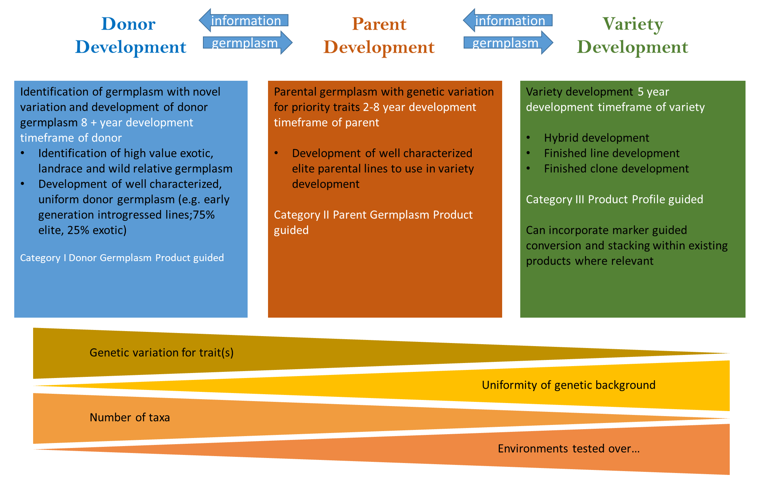
Sheet # / Column | Instructions
Sheet 2: Breeding Program | Enter Institution, Programs and crop details. Most programs focus on one crop but if multiple crops are worked on, list them individually. List the locations used for each crop (each location may be listed multiple times if it is used for multiple crops). Only list locations that are under your organization's control
Column G: Institution responsible for location | Detail which institution (or company) is responsible for the management of the breeding/phenotyping location
Column I: Parent development nursery | All nurseries developed to serve the germplasm devlopment (as opposed to germplasm testing i.e. phenotyping) needs of the donor and parent development pipelines
Column J: Variety development nursery | All nurseries developed to serve the germplasm devlopment (as opposed to germplasm testing i.e. phenotyping) needs of the variety development pipeline
Column K: Stage 1 phenotyping | The primary stage (e.g. first year) of phenotyping for high value traits within any pipeline - used for germplasm selection across many different genotypes and few to many environments
Column L: Stage 2 phenotyping | The second stage of phenotyping for high value traits (trait panel may be expanded from stage 1) involving germplasm promoted from stage 1 testing within any pipeline - used for a smaller set of genotypes often across a more extensive range of environments than stage 1
Column M: Stage 3 phenotyping | The third stage of phenotyping for high value traits, particually traits more strongly influenced by GxE involving germplasm promoted from stage 2 within any pipeline - used for small sets of genotypes across a number of environments/years equal to or exceeding stage 2 testing
Sheet 3. Key Staff | List the key staff in the breeding teams working together to achieve breeding objectives (deliver product profiles). Eg. breeders, pathologists, physiologists, economists, train introgression specialists etc. Indicate the % time (FTE) devoted to the program. In cases where external partners (NARs, Universities etc) are closely integrated and accountable for key deliverables with in the Breeding Program and are included in program budgets ( including any of OPEX, CAPEX or Staff as allowed), please list them here.
Sheet 4. BPAT Recommendations | List the recommendations from the BPAT reports and indicate if the recommendation has been addressed (Yes, No). Please also provide justification if a recommendation has not been accepted. If the program has not undergone a BPAT please indicate this (eg Program has not undergone BPAT review).
Sheet 5. Improvement Plan | Outline details of the proposed Improved Plan - this should include BPAT recommendations in addition to any internal program modernization priorities.
Column A | Name of Breeding Program which should correspond to list on Sheet 1. Breeding Program
Column B | Name of Breeding Team/Region (if specific) should relate to the list on sheet 1. Breeding Program
Column C | Indicate which BPAT recommendation is being addressed - this should correspond to Sheet 3. BPAT Recommendations. Enter "New" if this is an internal modernization priority that was not part of BPAT recommendations
Column D | Describe the Objective that the BPAT recommendation or Internal Modernisation Priority addresses
Column E | Explain the rationale for investing in this particular objective - what is the expected breeding/operational outcome? e.g. Better alignment or improved ability to breed for market needs (drivers of variety adoption), Improving components of, or optimisation of, the breeders equation (Shorter cycle time, improved accuracy of data generation, increased selection intensity, all of these at same or lower budget, more appropriate use of relevant germplasm), Improved transparency, Improved operational and environmental safety, Improved connection of breeding with national programs, Building of capacity or efficacy within national programs, Improved culture of continuous improvement etc.
Column F | Objective ranking from 1 (highest priority/impact): rank all your objectives from highest current priority (1) to lower immediate impact/most distant future priority: each number can ONLY be used once
Column G | Describe the Action(s) required to achieve the Objective in Column G
Column H & I | Number and List out the individual tasks related to the Overall Action in Column H
Column J | Define priority of task (high, medium, low)
Column K | Define type of Improvement (relates to EiB Module)
Column L & M | List the staff member (from key staff list in Sheet 2) who are Responsible and Accountable for the tasks. Indicate the date by which the task will be completed. Please see table below for RACI (Responsible, Accountable, Consulted and Informed) definitions.
Comumn N | Date a task is expected to be completed. If task is recurrent activity indicate "Start by dd/mm/yy"
Columns O - AF | Estimate total CAPEX, OPEX and STAFF costs required for tasks from 2019 to 2023
Columns AG - AL | Indicate any budget resources already availible for task
Sheet 6. Improvement Costings | Provide summary of current breeding costs and 5y planned investment costs per program and crop
Column A:Targeting : Breeding program specific (named) / institutional improvements | Detail specific breeding program or institutional category for improvements
Column B: Crops | Crops covered by improvement interventions
Column C: Type of cost (CAPEX, OPEX, Staff) | Type of cost; CAPEX, OPEX, Staff and the total
Column D: Current breeding/breeding support costs (USD) per year | Full cost of breeding program/ institutional level breeding support per year across CAPEX (incl depreciation), Operational and Staff categories. "Breeding support" includes any centralized functions such as biometrics, seed health, data management etc.
Column E: Investment plan costs (USD) across 5 years | Total estimated costs by category for the improvement interventions. (Sum of O:AF in the improvement plan sheet)
Column F: Total additional investment need (USD) across 5 years | Total overall investment need: total improvement costs minus the value of funding already availible for the improvement interventions; Total cost per program/institution in column E minus O:AF in the improvement plan sheet

Definition of Terms Used
RACI Definitions | RACI (Responsible, Accountable, Consulted, Informed)
Responsible | Those person or people who actually complete the task
Accountable | Those who are ultimately answerable and accountable for the successful completion of the task
Consulted | Those whose views are sought through 2 way communication (eg experts)
Informed | Those who are informed of progress (usally 1 way communciation)
Germplasm development pipeline | Definition
Variety development | Development of new varieties (hybrids, OPVs, finished lines, finished clones) for deployment to the market. 5 year development timeframe, products guided by the variety product profiles
Parent development | Development of well characterized elite parental lines to use in variety development. 2-8 year development timeframe, products guided by the parent germplasm product profile
Donor development | Identification of germplasm with novel, desireable trait variation and development of donor germplasm. 8+ years development timeframe, products guided by the donor development profile

